Sheet1


M/S HS Ahmed Ally |  |  |  |  | 21-May-24

Att: Mr. Ahmed

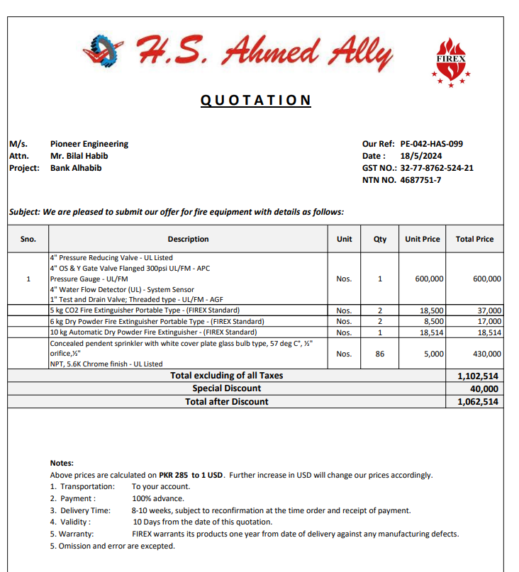
PURCHASE ORDER against quote Ref # PE-042-HAS-099

Supply of Fire Equipment for Bank Al Habib 12th Floor Center Point Karachi
S No. | D e s c r i p t i o n | Qty | Unit | Rate | Amount
1 | 4" Pressure Reducing Valve - UL Listed 4" OS & Y Gate Valve Flanged 300psi UL/FM - APC Pressure Gauge - UL/FM 4" Water Flow Detector (UL) - System Sensor 1" Test and Drain Valve; Threaded type - UL/FM - AGF | 1 | Nos | 600,000 | 600,000
2 | 5 kg CO2 Fire Extinguisher Portable Type - (FIREX Standard) | 2 | Nos | 18,500 | 37,000
3 | 6 kg Dry Powder Fire Extinguisher Portable Type - (FIREX Standard) | 2 | Nos | 8,500 | 17,000
4 | 10 kg Automatic Dry Powder Fire Extinguisher - (FIREX Standard) | 1 | Nos | 18,514 | 18,514
5 | Concealed pendent sprinkler with white cover plate glass bulb type, 57 deg C°, ½" orifice,½" NPT, 5.6K Chrome finish - UL Listed | 86 | Nos | 5,000 | 430,000
 |  | TOTAL: |  |  | 1,102,514
3 | Discount |  |  |  | 40,000
 |  | NET TOTAL |  |  | 1,062,514

Note: Above PO is subject to approval from the consultant.

for Pioneer Engineering Services

